DETERMINANT AND INVERSE MATRIX
2x2 Matrix Determinant |  |  |  | 3x3 Matrix Determinant |  |  | 4x4 Matrix Determinant

Matrix A |  |  |  | Matrix B |  |  | Matrix C:
3 | 2 |  |  | 2 | 4 | 7 | 3 | 2 | 1 | 4
1 | 4 |  |  | 1 | 8 | 1 | 1 | 5 | 2 | 3
 |  |  |  | 6 | 5 | 2 | 2 | 1 | 4 | 2
Formula:ad-bc |  |  |  |  |  |  | 4 | 3 | 2 | 1
Determinant= | 10 |  |  | Method 1: Excel Function
 |  |  |  | Determinant= | -263 |  | Excel Method:
Example: |  |  |  |  |  |  | Det = | -197
3 | 2 |  |  | Method 2: Mannual Formula
1 | 4 |  |  | Det= | -263
Det= | 10
 |  |  |  | Example Matrix
 |  |  |  | 2 | 1 | 3
 |  |  |  | 0 | 4 | 1
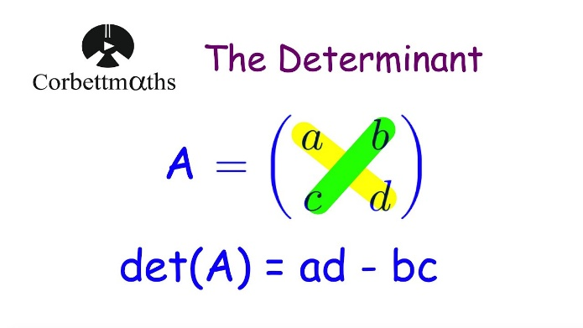
 |  |  |  | 1 | 2 | 2
 |  |  |  | Excel Method: | 1
 |  |  |  | Mannual Method | 1

MATRIX INVERSE USING DETERMINANT METHOD |  |  | Step 3: Adjugate (Transpose) |  |  |  | Inverse of 2x2 Matrix:
 |  |  | -4 | 5 | -3
Original 3x3 Matrix for Inverse: |  |  | 8 | -7 | -3 |  |  | 1 | 3
2 | 1 | 3 | -4 | -1 | 3 |  |  | 2 | 4
1 | 2 | 3
3 | 2 | 1 | Step 4: A⁻¹ = (1/Det) × Adj |  |  |  | Determinant= | -2
 |  |  | 0.33333333333 | -0.41666666667 | 0.25
Step 1: Calculate Determinant |  |  | -0.66666666667 | 0.58333333333 | 0.25
Det(A) = | -12 |  | 0.33333333333 | 0.083333333333 | -0.25 |  | inverse= | 1/det * adj

Step 2: Cofactor Matrix
-4 | 8 | -4 |  |  |  |  |  | -0.5 | -1.5
5 | -7 | -1 |  |  |  |  |  | -1 | -2
-3 | -3 | 3

CROUT METHOD
LU Decomposition - Crout Method
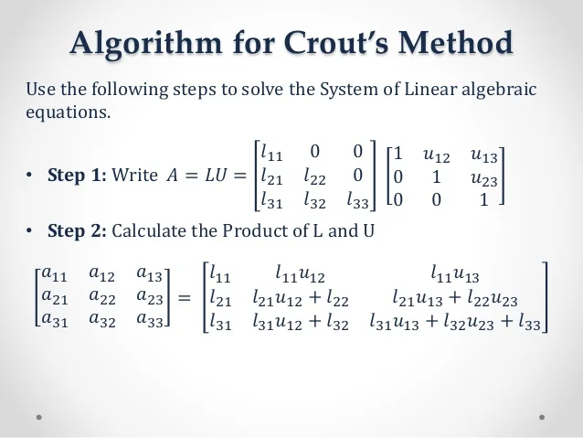
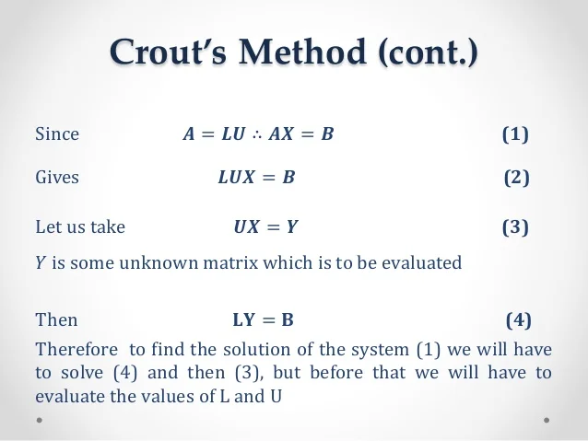

 |  |  |  |  | L Matrix (Lower Tiangular) |  |  |  |  | U Matrix (Upper Triangular)
Original Matrix A |  |  |  |  | Step-by-step calculation |  |  |  |  | Diagonal=1, calculate upper elements:
2 | -1 | 1 |  |  | 2 | 0 | 0 |  |  | 1 | -0.5 | 0.5
8 | 3 | 1 |  |  | 8 | 7 | 0 |  |  | 0 | 1 | -0.42857142857
4 | 1 | -2 |  |  | 4 | 3 | -2.7142857143 |  |  | 0 | 0 | 1

 |  |  |  |  | Final L Matrix
 |  |  |  |  | 2 | 0 | 0
 |  |  |  |  | 8 | 7 | 0
 |  |  |  |  | 4 | 3 | -2.7142857143

 | GIVEN:
 | 2X+Y+4Z=12
 | 8X-3Y+2Z=20
 | 4X+11Y-Z=33
 |  |  | 2 | 1 | 4 |  |  | 12 |  | X
 |  | A= | 8 | -3 | 2 |  | B= | 20 |  | Y
 |  |  | 4 | 11 | -1 |  |  | 33 |  | Z

 | STEP 1 | A=LU
 |  |  |  | [A] |  |  |  | [L] |  |  |  | [U]
 |  |  | 2 | 1 | 4 |  | 2 | 0 | 0 |  | 1 | 0.5 | 2
 |  |  | 8 | -3 | 2 | = | 8 | -7 | 0 |  | 0 | 1 | 2
 |  |  | 4 | 11 | -1 |  | 4 | 9 | -27 |  | 0 | 0 | 1

 | STEP 2 | LV=B
 |  |  |  | [L] |  |  | [V] |  | [B]
 |  |  | 2 | 0 | 0 |  | V1 |  | 12
 |  |  | 8 | -7 | 0 |  | V2 | = | 20
 |  |  | 4 | 9 | -27 |  | V3 |  | 33

 |  |  | [V]
 |  |  | V1 |  | 6
 |  |  | V2 | = | 4
 |  |  | V3 |  | 1

 | STEP 3 | UX=V |  | [U] |  |  | [X] |  | [V]
 |  |  | 1 | 0.5 | 2 |  | X |  | 6
 |  |  | 0 | 1 | 2 |  | Y | = | 4
 |  |  | 0 | 0 | 1 |  | Z |  | 1

 |  |  |  | X |  | 3
 |  |  |  | Y | = | 2
 |  |  |  | Z |  | 1

DOLITTLE METHOD
LU Decomposition - Doolittle Method

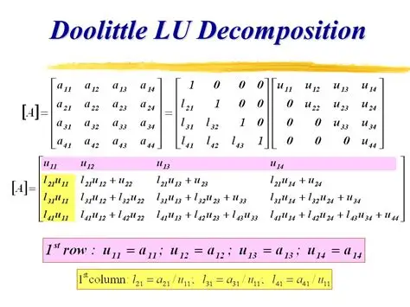

 |  |  |  |  | L Matrix (Lower with 1's on diagonal) |  |  |  | U Matrix (Upper with calculated values
Original Matrix A: |  |  |  |  | Step-by-step L calculation |  |  |  | Step-by-step U calculation:
4 | 22 | -13 |  |  | 1 | 0 | 0 |  | 4 | 22 | -13
19 | -13 | 4 |  |  | 4.75 | 1 | 0 |  | 0 | -117.5 | 65.75
8 | 8 | 17 |  |  | 2 | 0.30638297872 | 1 |  | 0 | 0 | 22.855319149

 |  |  |  |  | Formulas used |  |  |  | Formulas used:
 |  |  |  |  | L21 = A21/U11 |  |  |  | U11 = A11, U12 = A12, U13 = A13
 |  |  |  |  | L31 = A31/U11 |  |  |  | U22 = A22 - L21*U12
 |  |  |  |  | L32 = (A32-L31*U12)/U22 |  |  |  | U23 = A23 - L21*U13
 |  |  |  |  |  |  |  |  | U33 = A33 - L31*U13 - L32*U23
 |  |  |  |  | Final L Matrix:
 |  |  |  |  | 1 | 0 | 0 |  | Final U Matrix:
 |  |  |  |  | 4.75 | 1 | 0 |  | 4 | 22 | -13
 |  |  |  |  | 2 | 0.30638297872 | 1 |  | 0 | -117.5 | 65.75
 |  |  |  |  |  |  |  |  | 0 | 0 | 22.855319149

GIVEN:
4X+22Y-13Z=-128
19X-13Y+4Z=111
8X+8Y+17Z=10 |  | [A] |  |  | [C]
 | 4 | 22 | -13 |  | -128
 | 19 | -13 | 4 |  | 111
 | 8 | 8 | 17 |  | 10

 |  | [A] |  |  |  |  | [L] |  |  |  | [U]
STEP1 | 4 | 22 | -13 |  |  | 1 | 0 | 0 |  | 4 | 22 | -13
 | 19 | -13 | 4 |  | = | 4.75 | 1 | 0 |  | 0 | -117.5 | 65.75
 | 8 | 8 | 17 |  |  | 2 | 0.30638297872 | 1 |  | 0 | 0 | 22.855319149

STEP2 | C=LY | [C] |  |  | [L] |  |  | [Y]
 |  | -128 |  | 1 | 0 | 0 |  | Y1
 |  | 111 | = | 4.75 | 1 | 0 |  | Y2
 |  | 10 |  | 2 | 0.30638297872 | 1 |  | Y3

 |  | Y1 |  | -128
 |  | Y2 | = | 719
 |  | Y3 |  | 45.710638298

STEP3 | Y=UX
 | [Y] |  |  | [U] |  |  | [X]
 | -128 |  | 4 | 22 | -13 |  | X
 | 719 | = | 0 | -117.5 | 65.75 |  | Y
 | 45.710638298 |  | 0 | 0 | 22.855319149 |  | Z

 | X |  | 2
 | Y | = | -5
 | Z |  | 2

SOLVABILITY
System Solvability Analysis |  |  |  |  | Rank(A) = Rank([A|b]) = n → Unique Solution

Example 1: Unique Solution |  |  |  |  | Rank(A) = Rank([A|b]) = n → Unique Solution
2 | 1 | 3 | 11 |  | Rank(A) = Rank([A|b]) < n → Infinite Solutions
1 | 3 | 2 | 13 |  | Rank(A) < Rank([A|b]) → No Solution
3 | 2 | 1 | 12
 |  |  |  |  | Where n = number of variables (3)
Analysis: Rank A = | 3 | Rank [A|b] = | 3 | Result: Unique Solution
 |  |  |  |  | Summary:
Example 2: No Solution |  |  |  |  | Example 1: 3x3 system with unique solution
1 | 2 | 3 | 6 |  | Example 2: Inconsistent system (no solution)
2 | 4 | 6 | 12 |  | Example 3: Dependent system (infinite solutions)
1 | 2 | 3 | 8

Analysis: Rank A = | 1 | Rank [A|b] = | 0 | Result: No Solution

Example 3: Infinite Solutions
1 | 2 | 3 | 14
2 | 4 | 6 | 28
3 | 6 | 9 | 42

Analysis: Rank A = | 1 | Rank [A|b] = | 1 | Result: Infinite Solutions

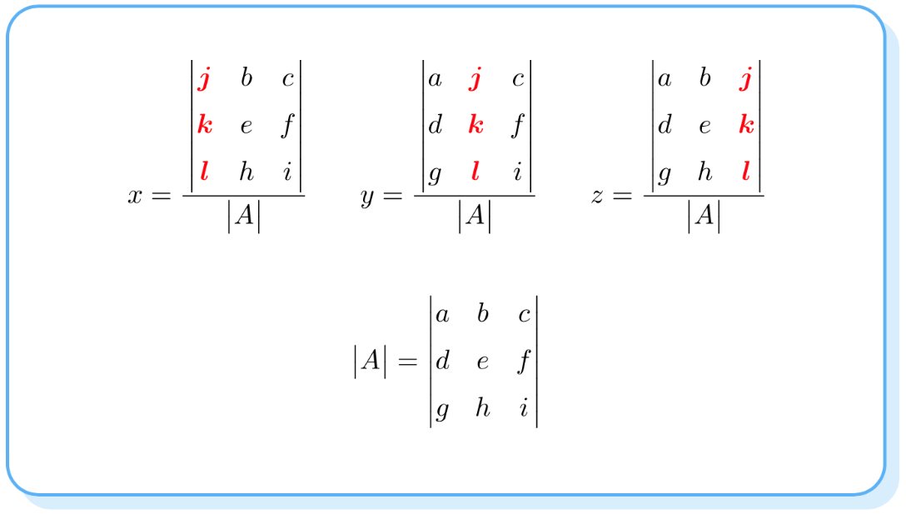
Using Cramer's rule to check for solvability:

 | GIVEN:
 | X+2Y-3Y=14
 | 2X+4Y-6Y=28
 | 3X+6Y+9=42

 | [A] |  |  | [C]
1 | 2 | 3 |  | 14
2 | 4 | 6 |  | 28
3 | 6 | 9 |  | 42

 | Det[A]= | 0 |  |  |  | Case1: | If Det of matrix A<>0 then the equation is said to have UNIQUE SOLUTION.

14 | 2 | 3 |  |  |  | Case2: | If atleast 1 of D1,D2,D3 is non-zero and Det of marix A not equal to 0.
28 | 4 | 6 |  |  |  |  | Then the equation is said to have UNIQUE NON-TRIVIAL SOLUTION
42 | 6 | 9
 |  |  |  |  |  | Case3: | If D1=D2=D3=0 and Det of A not equal 0 .The equation is said to have UNIQUE TRIVIAL SOLUTION.
 | D1= | 0
 |  |  |  |  |  | Case4: | If D1=D2=D3=0 and Det of A=0. The equation is said to have INFINITE SOLUTIONS .
1 | 14 | 3
2 | 28 | 6
3 | 42 | 9

 | D2= | 0

1 | 2 | 14
2 | 4 | 28
3 | 6 | 42

 | D3= | 0 |  | Infinitely Many Solutions

GAUSSE-SEIDEL
Gauss-Seidel Iterative Method |  |  |  | Gauss-Seidel Formulas: |  | Example:

System of Equations: |  |  |  | x(n+1) = (16 - y(n) - 2z(n))/4 | GIVEN:
4x + y + 2z = 16 |  |  |  | y(n+1) = (20 - x(n+1) - z(n))/5 | 27X+6Y-Z=85 |  | 27 | 6 | -1 |  | 85
x + 5y + z = 20 |  |  |  | z(n+1) = (35 - 2x(n+1) - y(n+1))/8 | 6X+15Y+2Z=72 |  | 6 | 15 | 2 |  | 72
2x + y + 8z = 35 |  |  |  |  | X+Y+54Z=110 |  | 1 | 1 | 54 |  | 110
 |  |  |  | Key Feature:
Coefficient Matrix: |  |  |  | Uses UPDATED values immediately | X=(85-6Y+Z)/27
4 | 1 | 2 | 16 | (x uses new y, z uses new x and y) | Y=(72-6X-2Z)/15
1 | 5 | 1 | 20 |  | Z=(110-X-Y)/54
2 | 1 | 8 | 35 | Solution converges to: |  |  |  | X | Y | Z
 |  |  |  | x = 1 |  |  | 0 | 0 | 0 | 0
Iteration Table: |  |  |  | y = 2 |  | Iteration | 1 | 3.1481481481 | 3.5407407407 | 1.9131687243
Iteration | x | y | z | z = 4 |  | Iteration | 2 | 2.4321749733 | 3.3550312452 | 1.9298665515
0 | 0 | 0 | 0 |  |  | Iteration | 3 | 2.4740621882 | 3.3630376254 | 1.928942596
1 | 4 | 3.2 | 2.975 | Verification: |  | Iteration | 4 | 2.472248772 | 3.3626954745 | 1.928982514
2 | 1.7125 | 3.0625 | 3.5640625 | 4(1) + 1(2) + 2(4) = 14 |  | Iteration | 5 | 2.472326284 | 3.3627100898 | 1.9289808079
3 | 1.45234375 | 2.99671875 | 3.6373242187 | 1(1) + 5(2) + 1(4) = 15 |  | Iteration | 6 | 2.4723229729 | 3.3627094655 | 1.9289808808
4 | 1.4321582031 | 2.9861035156 | 3.6436975098 | 2(1) + 1(2) + 8(4) = 36 |  | Iteration | 7 | 2.4723231144 | 3.3627094922 | 1.9289808777
5 | 1.4316253662 | 2.9849354248 | 3.6439767303 |  |  | Iteration | 8 | 2.4723231083 | 3.362709491 | 1.9289808778
 |  |  |  |  |  | Iteration | 9 | 2.4723231086 | 3.3627094911 | 1.9289808778
 |  |  |  | *SHOULD BE DIAGONAL DOMINANT |  | Iteration | 10 | 2.4723231086 | 3.3627094911 | 1.9289808778
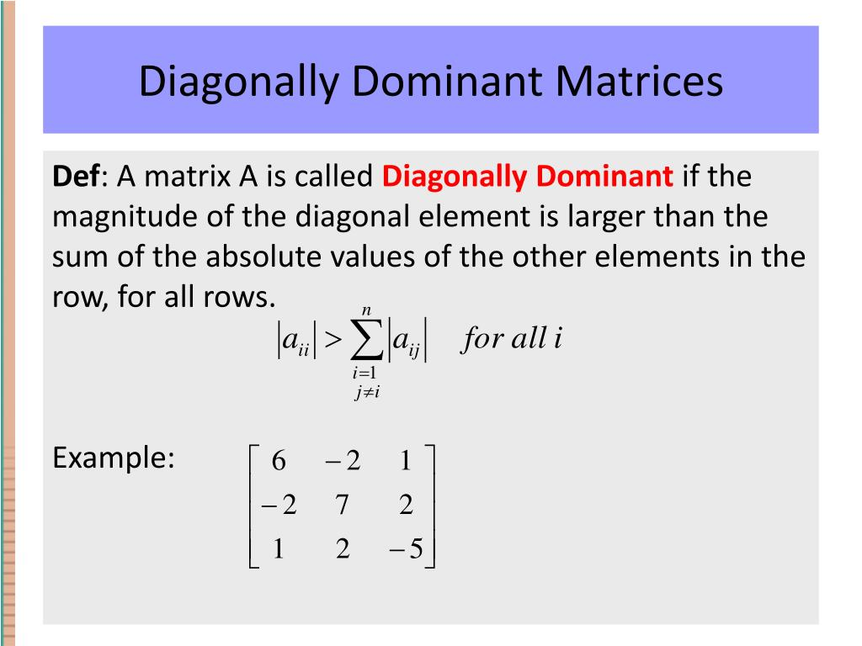

 |  |  |  | *Applies for both Gauss jacobi and Gauss seidel

